relations
one dataset can include more sites
one site can include more events
one event can include more measurements
one measurement can include only one event and only one specie

SPECIES
DATASET
SITE
EVENT
MEASUREMENT

EVENT
SITE
MEASUREMENT

SITE
EVENT
MEASUREMENT

SITE CATEGORY
METHOD

one site can include only one site category
AB CATEGORY

one event can include only one method and one AB category

layout
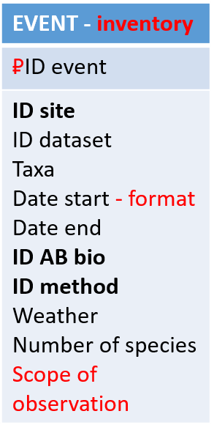
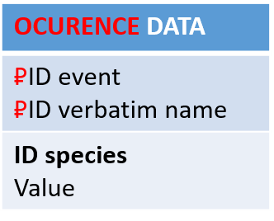
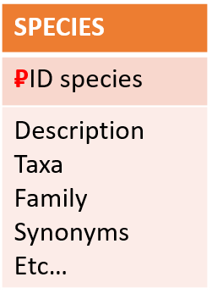
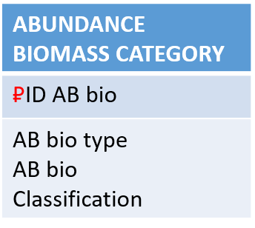
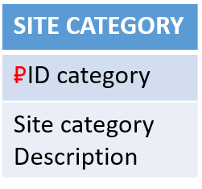
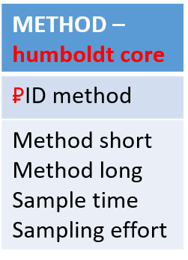
not updated yet - waiting for the final decisions about structure

layout orig
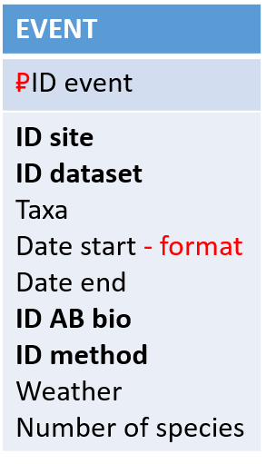
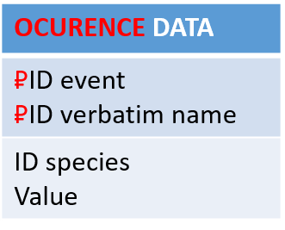
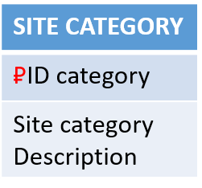
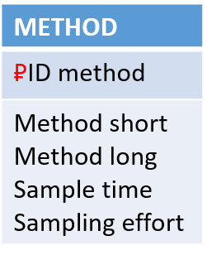
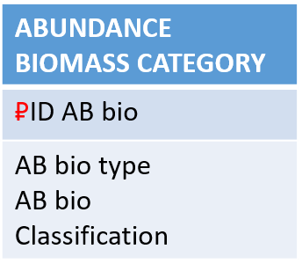
first version from Klara and Petr

